Additional Methane Leakage
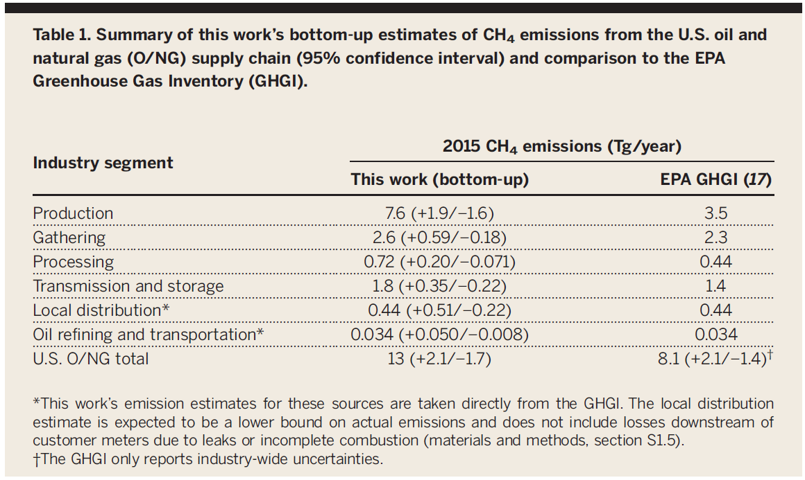
Methane Leakage Amount
g per cubic meter | 717
cubic meter per cubic foot | 0.0283168

Leakage Rate Without Additional Adjustments
 | 2017 | 2018 | 2019 | 2020 | 2021 | 2022 | 2023 | 2024 | 2025 | 2026 | 2027 | 2028 | 2029 | 2030 | 2031 | 2032 | 2033 | 2034 | 2035 | 2036 | 2037 | 2038 | 2039 | 2040 | 2041 | 2042 | 2043 | 2044 | 2045 | 2046 | 2047 | 2048 | 2049 | 2050
Dry Gas Production (trillion cubic feet) | 27.17 | 29.47 | 32.26 | 33.55 | 34.10 | 34.61 | 35.27 | 35.88 | 36.62 | 37.36 | 37.82 | 38.26 | 38.41 | 38.49 | 38.76 | 39.08 | 39.16 | 39.40 | 39.58 | 39.82 | 40.06 | 40.27 | 40.44 | 40.72 | 40.94 | 41.21 | 41.38 | 41.77 | 42.09 | 42.34 | 42.56 | 42.91 | 43.10 | 43.41
BAU Natural Gas Emissions (kt) | 6,624.0 | 6,913.6 | 7,342.1 | 7,653.6 | 7,785.1 | 7,852.9 | 7,940.7 | 8,052.3 | 8,193.4 | 8,330.3 | 8,446.5 | 8,541.4 | 8,601.6 | 8,622.3 | 8,656.1 | 8,719.6 | 8,751.9 | 8,784.5 | 8,821.3 | 8,861.5 | 8,902.0 | 8,946.8 | 8,985.9 | 9,034.7 | 9,086.7 | 9,141.6 | 9,187.1 | 9,250.2 | 9,323.1 | 9,380.6 | 9,432.8 | 9,498.1 | 9,558.8 | 9,617.0
BAU Petroleum Emissions (kt) | 1,492.0 | 1,811.2 | 2,015.0 | 2,200.3 | 2,295.5 | 2,347.3 | 2,337.3 | 2,352.8 | 2,366.0 | 2,412.2 | 2,434.0 | 2,418.9 | 2,418.7 | 2,426.4 | 2,438.6 | 2,434.6 | 2,429.9 | 2,421.9 | 2,404.5 | 2,394.6 | 2,379.0 | 2,373.1 | 2,366.9 | 2,358.4 | 2,340.6 | 2,314.4 | 2,271.7 | 2,234.7 | 2,190.2 | 2,154.8 | 2,121.7 | 2,082.0 | 2,033.0 | 1,997.0
Dry Gas Production (kt) | 551693.86294 | 598265.84772 | 654896.72143 | 681210.0245 | 692425.82728 | 702698.38653 | 716007.46392 | 728440.39968 | 743502.87703 | 758501.74463 | 767946.66645 | 776884.35478 | 779830.03666 | 781546.78944 | 786866.23389 | 793483.21177 | 795153.8155 | 799922.43561 | 803681.09604 | 808565.11923 | 813282.14905 | 817697.53503 | 821012.3281 | 826668.82507 | 831115.55911 | 836636.06561 | 840113.91324 | 848116.15444 | 854626.15505 | 859545.50571 | 864090.14152 | 871303.5446 | 875054.8553 | 881306.49838
Leakage Percentage | 1.5% | 1.5% | 1.4% | 1.4% | 1.5% | 1.5% | 1.4% | 1.4% | 1.4% | 1.4% | 1.4% | 1.4% | 1.4% | 1.4% | 1.4% | 1.4% | 1.4% | 1.4% | 1.4% | 1.4% | 1.4% | 1.4% | 1.4% | 1.4% | 1.4% | 1.4% | 1.4% | 1.4% | 1.3% | 1.3% | 1.3% | 1.3% | 1.3% | 1.3%

2015 GHG Inventory Petroleum/Natural Gas Split
 | Petroleum | Natural Gas
Production | 1542 | 1958
Gathering |  | 2300
Processing |  | 440
Transmission and storage |  | 1400
Local distribution | 8 | 432 | No additional Alvarez emissions
Refining | 28 | 0 | No additional Alvarez emissions

Set Additional Leakage Percent
Alvarez Leakage Percent | 2.4%
Increase in EPA Leakage Percent (Alvarez Used as Default) | 60%

Additional Petroleum/Natural Gas Split
 | Additional Alvarez Emissions | Petroleum Split | Natural Gas Split
Production | 4.1 | 1.8063428571 | 2.2936571429
Other Sources | 0.8 | 0 | 0.8

Total | 4.9 | 37% | 63%

 | 2017 | 2018 | 2019 | 2020 | 2021 | 2022 | 2023 | 2024 | 2025 | 2026 | 2027 | 2028 | 2029 | 2030 | 2031 | 2032 | 2033 | 2034 | 2035 | 2036 | 2037 | 2038 | 2039 | 2040 | 2041 | 2042 | 2043 | 2044 | 2045 | 2046 | 2047 | 2048 | 2049 | 2050
Additional Petroleum CH4 Emissions (kt) | 1800 | 1936 | 2076 | 2186 | 2236 | 2263 | 2280 | 2308 | 2343 | 2383 | 2414 | 2431 | 2445 | 2451 | 2461 | 2474 | 2481 | 2486 | 2490 | 2497 | 2503 | 2511 | 2518 | 2527 | 2535 | 2541 | 2542 | 2548 | 2554 | 2559 | 2563 | 2569 | 2572 | 2576
Additional Natural Gas CH4 Emissions (kt) | 3084 | 3315 | 3555 | 3744 | 3830 | 3875 | 3905 | 3953 | 4012 | 4081 | 4134 | 4164 | 4187 | 4198 | 4215 | 4238 | 4248 | 4258 | 4265 | 4277 | 4286 | 4301 | 4313 | 4329 | 4342 | 4353 | 4354 | 4364 | 4374 | 4383 | 4390 | 4400 | 4404 | 4413

Chem - HCFC 22 Production
Historical HCFC-22 Production (kt)
Year | Total | Feedstock | Non-Feedstock
2012 | 96 | 73.2 | 22.8
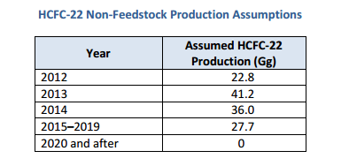

Production Estimates
 | 2015 | 2016 | 2017 | 2018 | 2019 | 2020 | 2021 | 2022 | 2023 | 2024 | 2025 | 2026 | 2027 | 2028 | 2029 | 2030 | 2031 | 2032 | 2033 | 2034 | 2035 | 2036 | 2037 | 2038 | 2039 | 2040 | 2041 | 2042 | 2043 | 2044 | 2045 | 2046 | 2047 | 2048 | 2049 | 2050
Feedstock | 84.73815 | 88.9750575 | 93.423810375 | 98.095000894 | 102.99975094 | 108.14973849 | 113.55722541 | 119.23508668 | 125.19684101 | 131.45668306 | 138.02951722 | 144.93099308 | 152.17754273 | 159.78641987 | 167.77574086 | 176.16452791 | 184.9727543 | 194.22139202 | 203.93246162 | 214.1290847 | 224.83553893 | 236.07731588 | 247.88118167 | 260.27524076 | 273.2890028 | 286.95345294 | 301.30112558 | 316.36618186 | 332.18449095 | 348.7937155 | 366.23340128 | 384.54507134 | 403.77232491 | 423.96094115 | 445.15898821 | 467.41693762
Non-Feedstock | 27.7 | 27.7 | 27.7 | 27.7 | 27.7 | 27.7 | 0 | 0 | 0 | 0 | 0 | 0 | 0 | 0 | 0 | 0 | 0 | 0 | 0 | 0 | 0 | 0 | 0 | 0 | 0 | 0 | 0 | 0 | 0 | 0 | 0 | 0 | 0 | 0 | 0 | 0
Total | 112.43815 | 116.6750575 | 121.12381038 | 125.79500089 | 130.69975094 | 135.84973849 | 113.55722541 | 119.23508668 | 125.19684101 | 131.45668306 | 138.02951722 | 144.93099308 | 152.17754273 | 159.78641987 | 167.77574086 | 176.16452791 | 184.9727543 | 194.22139202 | 203.93246162 | 214.1290847 | 224.83553893 | 236.07731588 | 247.88118167 | 260.27524076 | 273.2890028 | 286.95345294 | 301.30112558 | 316.36618186 | 332.18449095 | 348.7937155 | 366.23340128 | 384.54507134 | 403.77232491 | 423.96094115 | 445.15898821 | 467.41693762

Emissions Factor
0.0053 | kg HFC23/kg HCFC22

Emissions Estimates
 | 2015 | 2016 | 2017 | 2018 | 2019 | 2020 | 2021 | 2022 | 2023 | 2024 | 2025 | 2026 | 2027 | 2028 | 2029 | 2030 | 2031 | 2032 | 2033 | 2034 | 2035 | 2036 | 2037 | 2038 | 2039 | 2040 | 2041 | 2042 | 2043 | 2044 | 2045 | 2046 | 2047 | 2048 | 2049 | 2050
Total (kt) | 0.595922195 | 0.61837780475 | 0.64195619499 | 0.66671350474 | 0.69270867997 | 0.72000361397 | 0.60185329467 | 0.6319459594 | 0.66354325737 | 0.69672042024 | 0.73155644126 | 0.76813426332 | 0.80654097648 | 0.84686802531 | 0.88921142657 | 0.9336719979 | 0.9803555978 | 1.0293733777 | 1.0808420466 | 1.1348841489 | 1.1916283563 | 1.2512097742 | 1.3137702629 | 1.379458776 | 1.4484317148 | 1.5208533006 | 1.5968959656 | 1.6767407639 | 1.7605778021 | 1.8486066922 | 1.9410370268 | 2.0380888781 | 2.139993322 | 2.2469929881 | 2.3593426375 | 2.4773097694
Total (MMT CO2e) | 7.389435218 | 7.6678847789 | 7.9602568178 | 8.2672474587 | 8.5895876317 | 8.9280448133 | 7.4629808539 | 7.8361298966 | 8.2279363914 | 8.639333211 | 9.0712998716 | 9.5248648651 | 10.001108108 | 10.501163514 | 11.02622169 | 11.577532774 | 12.156409413 | 12.764229883 | 13.402441377 | 14.072563446 | 14.776191619 | 15.5150012 | 16.29075126 | 17.105288823 | 17.960553264 | 18.858580927 | 19.801509973 | 20.791585472 | 21.831164746 | 22.922722983 | 24.068859132 | 25.272302089 | 26.535917193 | 27.862713053 | 29.255848705 | 30.71864114

